Sheet1
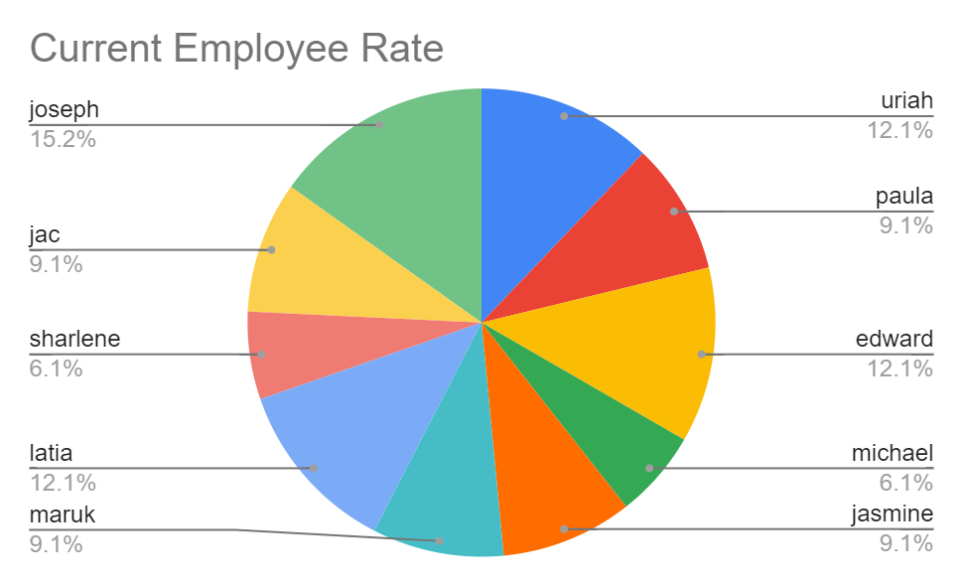
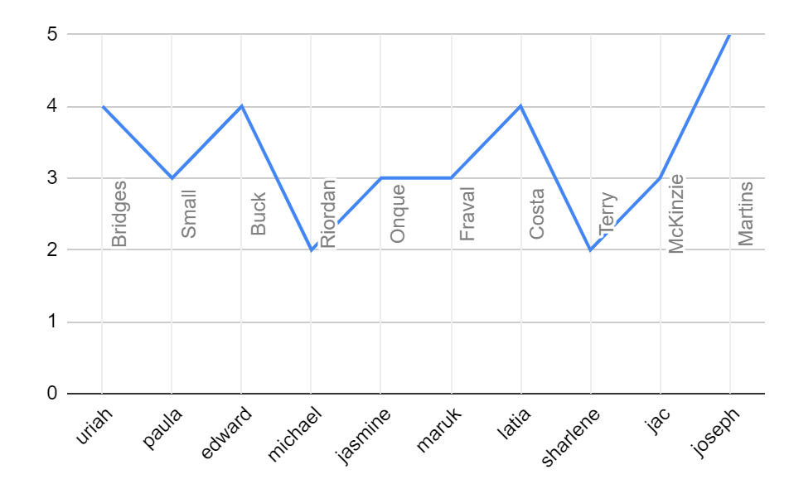
First Name | LastName | Gender | Business Unit | Performance Score | Current Employee Rating | Credit Rating Performance
uriah | Bridges | Female | CCDR | Fully Meets | 4 | Good
paula | Small | Male | EW | Fully Meets | 3 | Average
edward | Buck | Male | PL | Fully Meets | 4 | Good
michael | Riordan | Male | CCDR | Fully Meets | 2 | Bad
jasmine | Onque | Female | TNS | Fully Meets | 3 | Average
maruk | Fraval | Male | BPC | Fully Meets | 3 | Average
latia | Costa | Female | WBL | Exceeds | 4 | Good
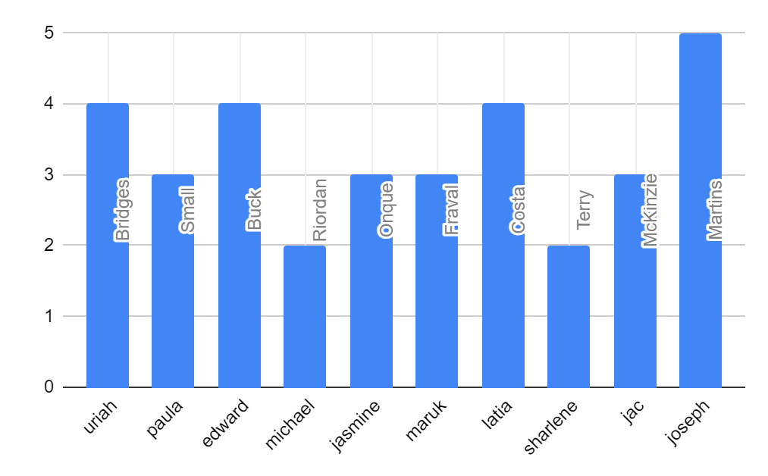
sharlene | Terry | Female | CCDR | Fully Meets | 2 | Bad
jac | McKinzie | Male | NEL | Exceeds | 3 | Average
joseph | Martins | Male | BPC | Fully Meets | 5 | Good

